Sheet1
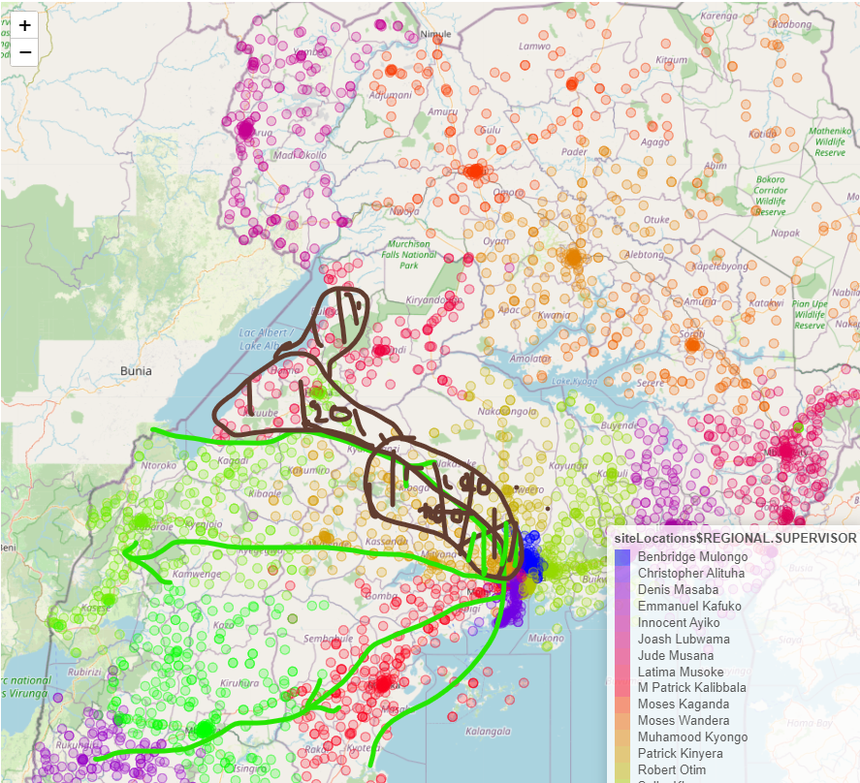
Musoke Yusuf | Kiboga |  | 46
John Moses Luzinda | Busunju | Gobero, Kakiri | 55
Richard Ssekono | Wakiso | Buloba | 54 | 54 sites towards Mityana
Mark Lukwago | Nansana Ganda, Namungoona flats |  | 55
 |  |  | 210

Kyotiina Joseph | Hoima |  | 41
Samuel Anguria | Mpanga, Kidoma, Duhaga towards Kyenjojo |  | 40
Otyono David | Buliisa, Parra, Tilenga |  | 39 | 120 sites in Hoima
Kenneth Assimwe | Masindi team towards hoima |  | 29 | Masindi Team
 |  |  | 149

Sites
Camusat loose 50 |  |  |  |  | Kaganda Joseph
Netis loose 50 |  |  |  |  | Ian Isagara
IENG loose 190 |  |  |  |  | Kazungu Ahmed
New vendor 300 |  |  |  |  | Sam Abigaba

New sites | 28 | IEG
 | 40 | Cam

IENG gives back Luwero to Netis (50/60 sites)

